DDB (Alcohol)
DATE | INV NO. | DESCRIPTIONS | AMOUNT | BILLS | PRICE | TOTAL | IDR 2,359,505
3-Mar-2026 | 44337 | CAPE DISCOVERY BRUT CUVEE 750 ML | 2 | 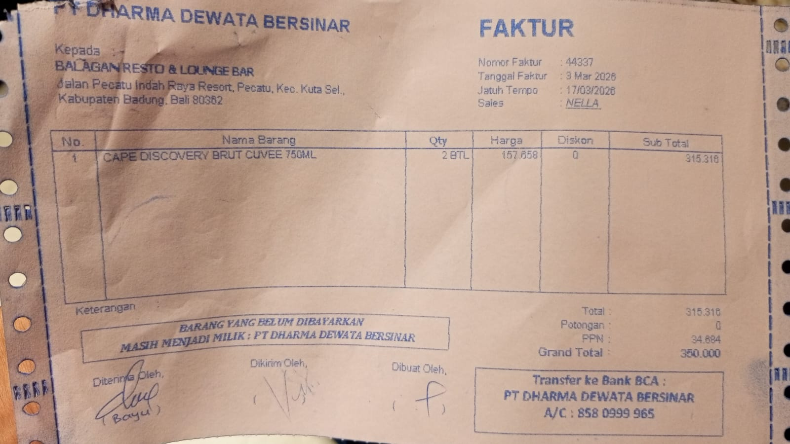 | IDR 157,658 | IDR 315,316
SUB TOTAL |  |  |  |  | PPN | IDR 34,685
TOTAL |  |  |  | Rp350,001
10-Mar-2026 | 44811 | ANGOSTURA AROMATIC BITTER 200 ML | 1 | 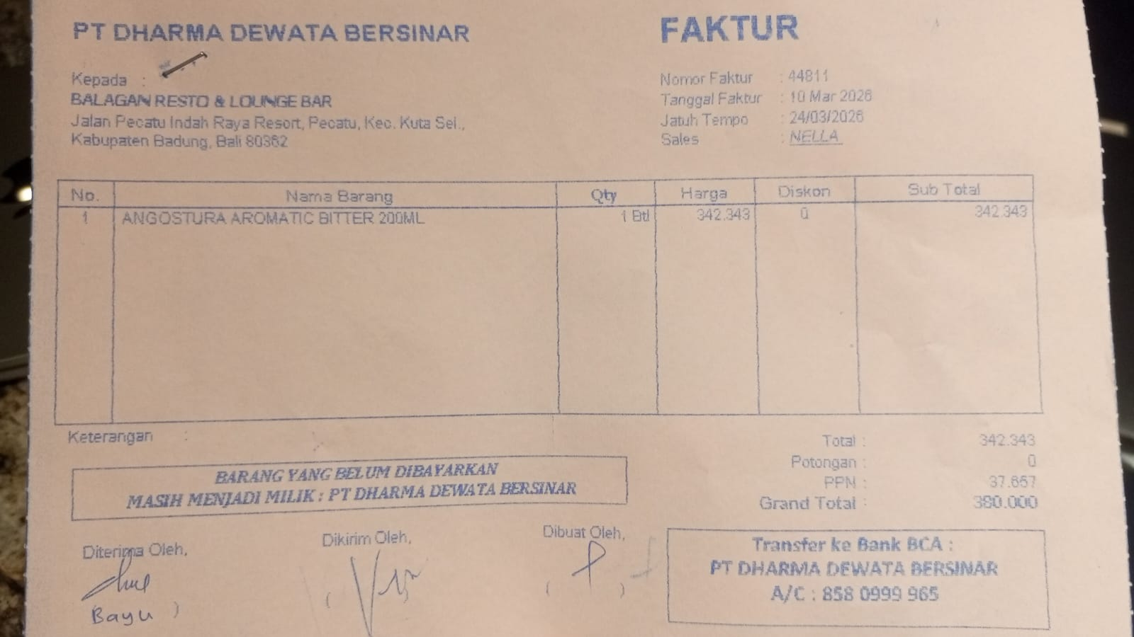 | IDR 342,343 | IDR 342,343
SUB TOTAL |  |  |  |  | PPN | Rp37,658
TOTAL |  |  |  | Rp380,001
12-Mar-2026 | 44955 | GORDON GIN PREMIUM DRY 750 ML | 3 | 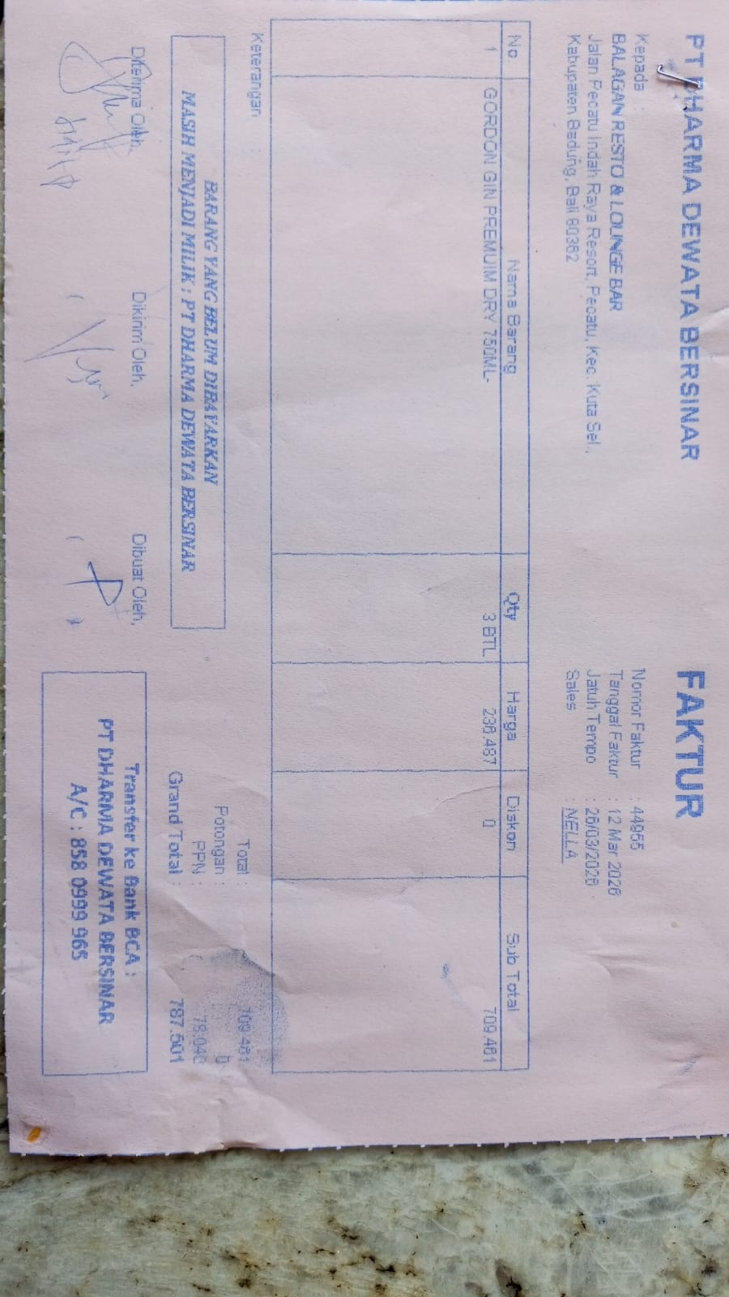 | IDR 236,487 | IDR 709,461
 |  |  |  |  |  | Rp78,041
TOTAL |  |  |  | Rp787,502
16-Mar-2026 | 45268 | CAPE DISCOVERY BRUT CUVEE 750 ML | 2 | 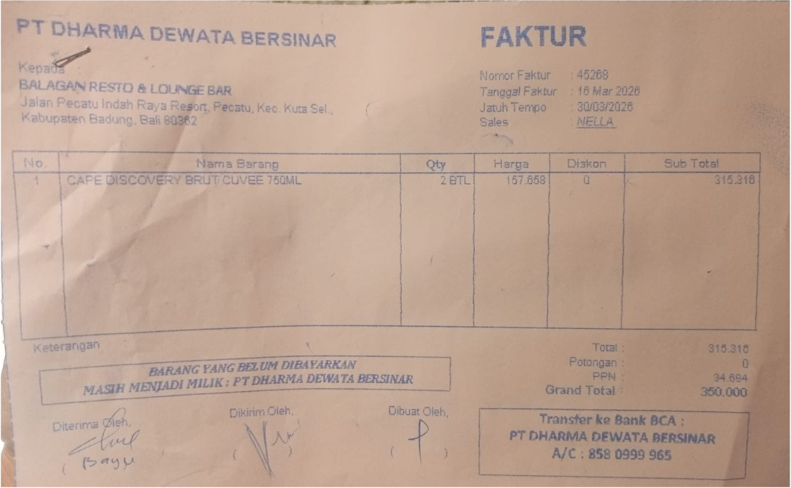 | IDR 157,658 | IDR 315,316
 |  |  |  |  |  | Rp34,685
TOTAL |  |  |  | Rp350,001
17-Mar-2026 | 45431 | F VODKA 750 ML | 2 | 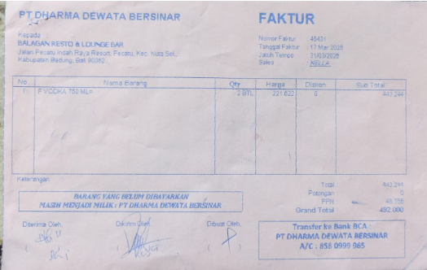 | IDR 221,622 | IDR 443,244
 |  |  |  |  |  | Rp48,757
TOTAL |  |  |  | Rp492,001

TOTAL
GRAND TOTAL |  |  |  | IDR 2,359,505

